PopulationReport
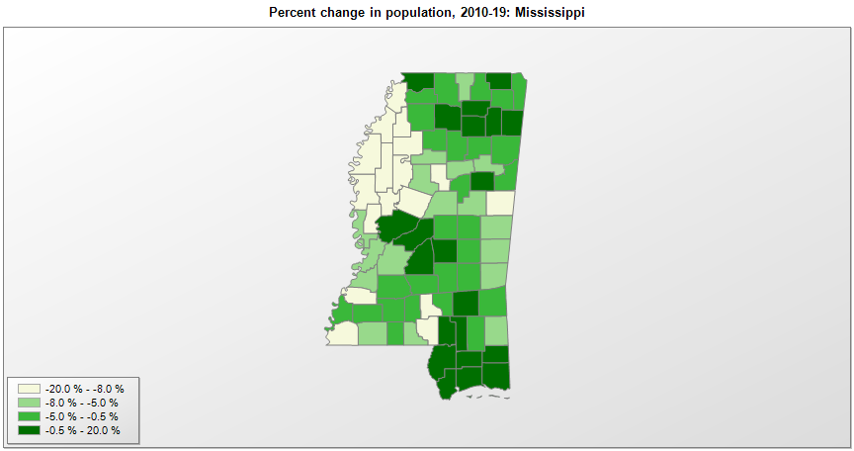

FIPS* | County name | RUC code | Pop. 1990 | Pop. 2000 | Pop. 2010 | Pop. 2019 | Change 2010-19
28000 | Mississippi |  | 2,575,475 | 2,844,754 | 2,968,130 | 2,976,149 | 0.3%
28001 | Adams County | 5 | 35,356 | 34,339 | 32,300 | 30,693 | -5.0%
28003 | Alcorn County | 7 | 31,722 | 34,519 | 37,062 | 36,953 | -0.3%
28005 | Amite County | 8 | 13,328 | 13,565 | 13,136 | 12,297 | -6.4%
28007 | Attala County | 6 | 18,481 | 19,654 | 19,562 | 18,174 | -7.1%
28009 | Benton County | 1 | 8,046 | 8,031 | 8,728 | 8,259 | -5.4%
28011 | Bolivar County | 7 | 41,875 | 40,619 | 34,153 | 30,628 | -10.3%
28013 | Calhoun County | 9 | 14,908 | 15,060 | 14,957 | 14,361 | -4.0%
28015 | Carroll County | 9 | 9,237 | 10,751 | 10,597 | 9,947 | -6.1%
28017 | Chickasaw County | 7 | 18,085 | 19,447 | 17,392 | 17,103 | -1.7%
28019 | Choctaw County | 9 | 9,071 | 9,759 | 8,551 | 8,210 | -4.0%
28021 | Claiborne County | 8 | 11,370 | 11,837 | 9,597 | 8,988 | -6.3%
28023 | Clarke County | 9 | 17,313 | 17,796 | 16,728 | 15,541 | -7.1%
28025 | Clay County | 7 | 21,120 | 21,984 | 20,648 | 19,316 | -6.5%
28027 | Coahoma County | 7 | 31,665 | 30,617 | 26,145 | 22,124 | -15.4%
28029 | Copiah County | 2 | 27,592 | 28,763 | 29,448 | 28,065 | -4.7%
28031 | Covington County | 8 | 16,527 | 19,418 | 19,573 | 18,636 | -4.8%
28033 | DeSoto County | 1 | 67,910 | 107,252 | 161,267 | 184,945 | 14.7%
28035 | Forrest County | 3 | 68,314 | 71,934 | 74,862 | 74,897 | 0.0%
28037 | Franklin County | 9 | 8,377 | 8,419 | 8,118 | 7,713 | -5.0%
28039 | George County | 6 | 16,673 | 19,224 | 22,583 | 24,500 | 8.5%
28041 | Greene County | 8 | 10,220 | 13,287 | 14,391 | 13,586 | -5.6%
28043 | Grenada County | 7 | 21,555 | 23,273 | 21,898 | 20,758 | -5.2%
28045 | Hancock County | 2 | 31,760 | 42,945 | 44,023 | 47,632 | 8.2%
28047 | Harrison County | 2 | 165,365 | 189,577 | 187,109 | 208,080 | 11.2%
28049 | Hinds County | 2 | 254,441 | 250,752 | 245,364 | 231,840 | -5.5%
28051 | Holmes County | 6 | 21,604 | 21,608 | 19,483 | 17,010 | -12.7%
28053 | Humphreys County | 6 | 12,134 | 11,191 | 9,373 | 8,064 | -14.0%
28055 | Issaquena County | 8 | 1,909 | 2,274 | 1,399 | 1,327 | -5.1%
28057 | Itawamba County | 7 | 20,017 | 22,774 | 23,401 | 23,390 | 0.0%
28059 | Jackson County | 2 | 115,243 | 131,439 | 139,669 | 143,617 | 2.8%
28061 | Jasper County | 9 | 17,114 | 18,148 | 17,073 | 16,383 | -4.0%
28063 | Jefferson County | 8 | 8,653 | 9,723 | 7,732 | 6,990 | -9.6%
28065 | Jefferson Davis County | 8 | 14,051 | 13,954 | 12,471 | 11,128 | -10.8%
28067 | Jones County | 4 | 62,031 | 64,955 | 67,768 | 68,098 | 0.5%
28069 | Kemper County | 9 | 10,356 | 10,447 | 10,438 | 9,742 | -6.7%
28071 | Lafayette County | 4 | 31,826 | 38,687 | 47,361 | 54,019 | 14.1%
28073 | Lamar County | 3 | 30,424 | 39,877 | 55,732 | 63,343 | 13.7%
28075 | Lauderdale County | 5 | 75,555 | 78,168 | 80,280 | 74,125 | -7.7%
28077 | Lawrence County | 8 | 12,458 | 13,201 | 12,951 | 12,586 | -2.8%
28079 | Leake County | 6 | 18,436 | 20,930 | 23,803 | 22,786 | -4.3%
28081 | Lee County | 5 | 65,579 | 75,664 | 82,910 | 85,436 | 3.0%
28083 | Leflore County | 5 | 37,341 | 37,951 | 32,382 | 28,183 | -13.0%
28085 | Lincoln County | 6 | 30,278 | 33,191 | 34,866 | 34,153 | -2.0%
28087 | Lowndes County | 5 | 59,308 | 61,596 | 59,779 | 58,595 | -2.0%
28089 | Madison County | 2 | 53,794 | 74,711 | 95,203 | 106,272 | 11.6%
28091 | Marion County | 6 | 25,544 | 25,626 | 27,080 | 24,573 | -9.3%
28093 | Marshall County | 1 | 30,361 | 34,947 | 37,151 | 35,294 | -5.0%
28095 | Monroe County | 7 | 36,582 | 37,996 | 36,979 | 35,252 | -4.7%
28097 | Montgomery County | 7 | 12,387 | 12,191 | 10,933 | 9,775 | -10.6%
28099 | Neshoba County | 7 | 24,800 | 28,675 | 29,692 | 29,118 | -1.9%
28101 | Newton County | 7 | 20,291 | 21,834 | 21,715 | 21,018 | -3.2%
28103 | Noxubee County | 7 | 12,604 | 12,545 | 11,546 | 10,417 | -9.8%
28105 | Oktibbeha County | 5 | 38,375 | 42,920 | 47,657 | 49,587 | 4.0%
28107 | Panola County | 6 | 29,996 | 34,283 | 34,698 | 34,192 | -1.5%
28109 | Pearl River County | 6 | 38,714 | 48,518 | 55,739 | 55,535 | -0.4%
28111 | Perry County | 3 | 10,865 | 12,111 | 12,251 | 11,973 | -2.3%
28113 | Pike County | 6 | 36,882 | 38,957 | 40,401 | 39,288 | -2.8%
28115 | Pontotoc County | 7 | 22,237 | 26,811 | 29,946 | 32,174 | 7.4%
28117 | Prentiss County | 7 | 23,278 | 25,582 | 25,274 | 25,126 | -0.6%
28119 | Quitman County | 6 | 10,490 | 10,121 | 8,222 | 6,792 | -17.4%
28121 | Rankin County | 2 | 87,161 | 115,403 | 142,052 | 155,271 | 9.3%
28123 | Scott County | 6 | 24,137 | 28,455 | 28,260 | 28,124 | -0.5%
28125 | Sharkey County | 8 | 7,066 | 6,576 | 4,916 | 4,321 | -12.1%
28127 | Simpson County | 2 | 23,953 | 27,634 | 27,500 | 26,658 | -3.1%
28129 | Smith County | 8 | 14,798 | 16,163 | 16,488 | 15,916 | -3.5%
28131 | Stone County | 6 | 10,750 | 13,592 | 17,790 | 18,336 | 3.1%
28133 | Sunflower County | 7 | 35,129 | 34,382 | 29,383 | 25,110 | -14.5%
28135 | Tallahatchie County | 7 | 15,210 | 14,896 | 15,385 | 13,809 | -10.2%
28137 | Tate County | 1 | 21,432 | 25,386 | 28,872 | 28,321 | -1.9%
28139 | Tippah County | 6 | 19,523 | 20,890 | 22,232 | 22,015 | -1.0%
28141 | Tishomingo County | 8 | 17,683 | 19,155 | 19,603 | 19,383 | -1.1%
28143 | Tunica County | 1 | 8,164 | 9,240 | 10,778 | 9,632 | -10.6%
28145 | Union County | 6 | 22,085 | 25,344 | 27,143 | 28,815 | 6.2%
28147 | Walthall County | 9 | 14,352 | 15,161 | 15,440 | 14,286 | -7.5%
28149 | Warren County | 4 | 47,880 | 49,668 | 48,770 | 45,381 | -6.9%
28151 | Washington County | 5 | 67,935 | 63,035 | 51,135 | 43,909 | -14.1%
28153 | Wayne County | 7 | 19,517 | 21,372 | 20,747 | 20,183 | -2.7%
28155 | Webster County | 9 | 10,222 | 10,284 | 10,264 | 9,689 | -5.6%
28157 | Wilkinson County | 8 | 9,678 | 10,337 | 9,878 | 8,630 | -12.6%
28159 | Winston County | 7 | 19,433 | 20,157 | 19,201 | 17,955 | -6.5%
28161 | Yalobusha County | 7 | 12,033 | 13,052 | 12,678 | 12,108 | -4.5%
28163 | Yazoo County | 2 | 25,506 | 28,144 | 28,065 | 29,690 | 5.8%

Source: U.S. Census Bureau, 1990, 2000, and 2010 Censuses of Population (corrected), and 2019 County Total Population Estimates. 1) The FIPS codes uniquely identify each county and are part of the Federal Information Processing Standards (FIPS) developed by the National Institute of Standards and Technology (NIST), U.S. Department of Commerce. For more information, see the NIST FIPS publication page. 2) The 2013 rural-urban continuum codes classify metropolitan counties (codes 1 through 3) by size of the Metropolitan Statistical Area (MSA), and nonmetropolitan counties (codes 4 through 9) by degree of urbanization and proximity to metro areas. See rural-urban continuum codes for precise definitions of each code.

